Regression Summary
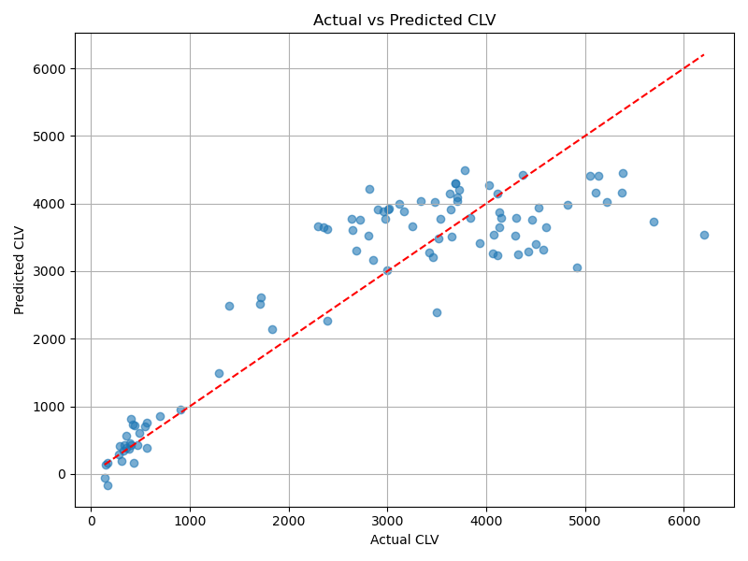
Regression Equation:
CLV = 655.08 + (-2.89)*ActivityPeriodDays + (126.23)*TotalPurchases + (-5.08)*DaysSinceLastPurchase | Behavioral Insights on Repeat Customers
 | Number of repeat customers analyzed: 94
Regression Statistics: | 95% made fewer than 35 purchases (max observed: 37)
R²: 0.7939 | Average time between purchases: 20.9 days
RMSE: 762.30 | Majority repurchase every 8 to 73 days
MAE: 581.76

